graph
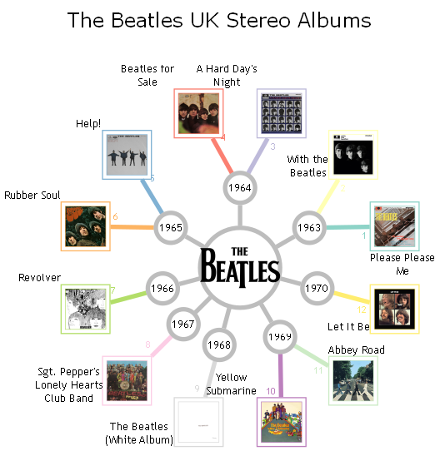

styles
Style Name | Format | Style Type | All Styles | No Clusters | No Edges
node |  | node | yes | yes | yes
edge | radius=9 | edge | yes | yes | no
subgraph-open |  | subgraph-open | yes | no | yes | 
subgraph-close |  | subgraph-close | yes | no | yes
keyword |  | keyword | yes | yes | yes
native |  | native | yes | yes | yes
Flow | colorscheme=set312 penwidth=4 labelangle=60 arrowsize="0.5" fontname="Trebuchet MS" fontsize=8 radius=9 | edge | yes | yes | no
⟳
✎
Year Edge | arrowsize="0.5" fontname=Arial fontsize=10 color=Gray74 penwidth=4 fontname="Trebuchet MS" fontsize=10 radius=9 | edge | yes | yes | no
Invisible Edge | style=invis color=Invis | edge | yes | yes | no
Invisible Point | shape=point height=0 width=0 fixedsize=True fillcolor=Invis color=Invis penwidth=0 style=filled | node | yes | yes | yes
Point | shape=point | node | yes | yes | yes
Album Image | labelloc=top colorscheme=set312 shape=box height="0.5" width="0.5" fixedsize=True fillcolor="white" penwidth=1 peripheries=2 fontname="Trebuchet MS" fontsize=10 imagescale=True imagepos=bc style=filled | node | yes | yes | yes
Song Name | shape=plaintext fontname="Trebuchet MS" fontsize=10 margin="0.125" | node | yes | yes | yes
The Beatles Logo | labelloc=bottom shape=circle height=1 width=1 fixedsize=True color=Gray74 penwidth=4 peripheries=1 fontname="Trebuchet MS" fontsize=10 image="images\The_Beatles_logo.svg.png" imagescale=True imagepos=mc | node | yes | yes | yes | 
Year | shape=circle height="0.375" width="0.375" fixedsize=True color=Gray74 penwidth=4 fontname="Trebuchet MS" fontsize=10 | node | yes | yes | yes
Legend | labelloc=top shape=plaintext fontname=Verdana fontsize=18 | node | yes | yes | yes

sql
 | SQL SELECT Statement | Data File | Status

# | Specify the workbook containing the data |  | SKIPPED
 | SET DATA FILE | the-beatles.xlsx | SUCCESS

# | Set placeholder values for substitution into SQL. Wrap name in braces in the SQL (e.g. WHERE [column_name] = '{placeholder_name}' ) |  | SKIPPED | Name | Value
 | SET PLACEHOLDER country = UK |  | SUCCESS | country | UK
 | SET PLACEHOLDER mix = Stereo |  | SUCCESS | mix | Stereo

# | ========================================================================================== |  | SKIPPED
# | Create the EDGES |  | SKIPPED
# | ========================================================================================== |  | SKIPPED

# | EDGE: Root -> Year |  | SKIPPED
 | SELECT DISTINCT [release_year] AS [Related Item], 'the-beatles' AS [Item], 'Year Edge' AS [Style Name] FROM [releases$] WHERE [country_code] = '{country}' AND [mix] = '{mix}' ORDER BY [release_year] ASC |  | SUCCESS
# | EDGE: Year -> Album |  | SKIPPED
 | SELECT DISTINCT [album_id] AS [Related Item], [release_year] AS [Item], [album_number] AS [Head Label], 'Flow' AS [Style Name], 'color=' & [album_number] & ' fontcolor=' & [album_number] AS [Attributes] FROM [releases$] WHERE [country_code] = '{country}' AND [mix] = '{mix}' |  | SUCCESS

# | ========================================================================================== |  | SKIPPED
# | Create the NODES |  | SKIPPED
# | ========================================================================================== |  | SKIPPED

# | NODE: Root |  | SKIPPED
 | SELECT 'the-beatles' AS [Item], '""' AS [Label], 'The Beatles Logo' AS [Style Name] |  | SUCCESS
# | NODE: Year |  | SKIPPED
 | SELECT DISTINCT [release_year] AS [Item], 'Year' AS [Style Name] FROM [releases$] WHERE [country_code] = '{country}' AND [mix] = '{mix}' |  | SUCCESS
# | NODE: Album (with album cover image) |  | SKIPPED
 | SELECT DISTINCT [album_id] AS [Item], '""' AS [Label], REPLACE([album_name], '(', '\n(') AS [External Label], 15 AS [SPLIT LENGTH], '\n' AS [LINE ENDING], 'Album Image' AS [Style Name], 'image="images/'&[image_name] & '" color=' & [album_number] & ' fillcolor=' & [album_number] AS [Attributes] FROM [releases$] WHERE [country_code] = '{country}' AND [mix] = '{mix}' |  | SUCCESS
# | Legend |  | SKIPPED
 | SELECT 'graph' AS [Item], 'The Beatles {country} {mix} Albums\n\n' AS [Label], 'Legend' AS [Style Name] |  | SUCCESS

# | ========================================================================================== |  | SKIPPED
# | Preview / Publish the graphs |  | SKIPPED
# | ========================================================================================== |  | SKIPPED
 | PREVIEW |  | SUCCESS
✎
 | PUBLISH |  | SUCCESS

